VIN
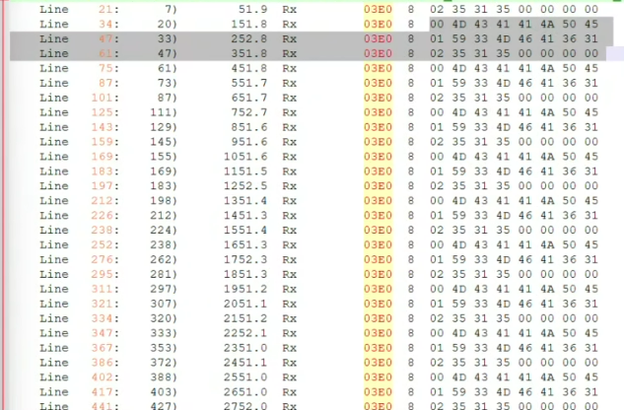
VIN is decoded from 0x3E0
VIN is a 17 character

It has two signals
VIN_MSG | It captures the sequence information | 0 | 1 | 2 | 0 | 1 | 2
VIN_DATA | It captures the actual data | 7 bytes data | 7 bytes data | 3 bytes data | 7 bytes data | 7 bytes data | 3 bytes data

Vehicle Telemetry Data Publish
Telemetry data to be published only when Vehicle Engine is ON with a frquency of 60 seconds + One sample at Engine Off + One more Sample.

0x46C/BH2-CAN/CmdIgnSts == ( 0x4 RUN ) OR ( 0x5 START ) | This is the actual Engine ON.

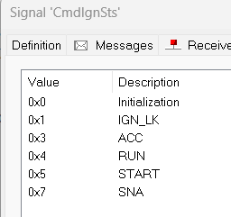

 |  | Time | T | 2T | 3T | 4T | 4.5 T | 5T | 6T | 7T
 |  | Sent to CVIP | Pub | Pub | Pub | Pub | Pub | Pub | No Pub | No Pub
 |  | Engine State | Engine ON | Engine ON | Engine ON | Engine ON | Engine OFF | Engine OFF | Engine OFF | Engine OFF
 |  | Data packet | D1 | D2 | D3 | D4 | D5_Indicator | D6_Indicator

Trip setting
